Sheet1
Nigerian Car Market

Price
Hourse_power
Mileage
Engine_size
₦20.7M
132 (hp)
8K (km)
2K
Location- Nigeria

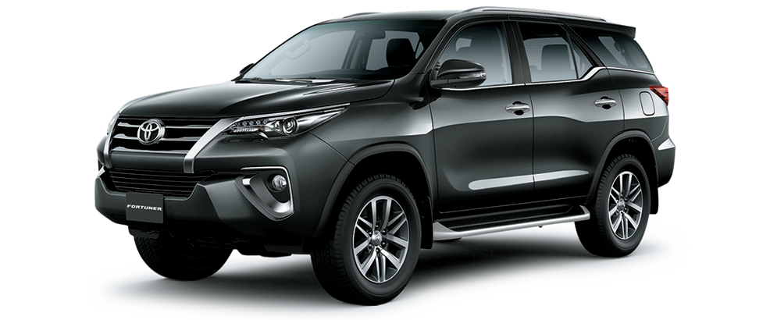

Top 10 Most Popular Car Models inNigeria
 | Total
Changan | 1
Dongfeng | 1
Ford | 1
GAC | 5
Kia | 1
Land Rover | 1
Suzuki | 12
Toyota | 1

Nigerian Drivers?Choice Automatic vs Manual
 | Total
Automatic | 94%
Manual | 6%
Which Color Wins? Pick fromTop 10 Nigerian Car Colors
 | Total
Black | 4
Blue | 3
Brown | 2
Gold | 3
Red | 1
Silver | 6
White | 4

